7
 | Other documents to be submitted

No. | Documents | Note | Submission destination Page of Toyo-Net ACE
7 | Passport copy | 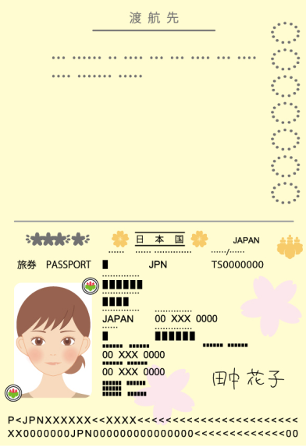 a color photocopy of the page of your passport with the photo of your face and passport number into the frame below. | [No.7]A copy of your passport

8
 | Other documents to be submitted

No. | Documents | Note | Submission destination Page of Toyo-Net ACE
8 | ID photo data |  ※JPEG file, color; size: 40 mm x 30 mm ※No background, No hat, Normal facial expression. The title of the file should be "your ToyoNET-ACE ID, name, Photo". | [No.8]ID photo data (JPEG file, color; size: 40 mm x 30 mm)

30mm

40mm

